Package Mapping
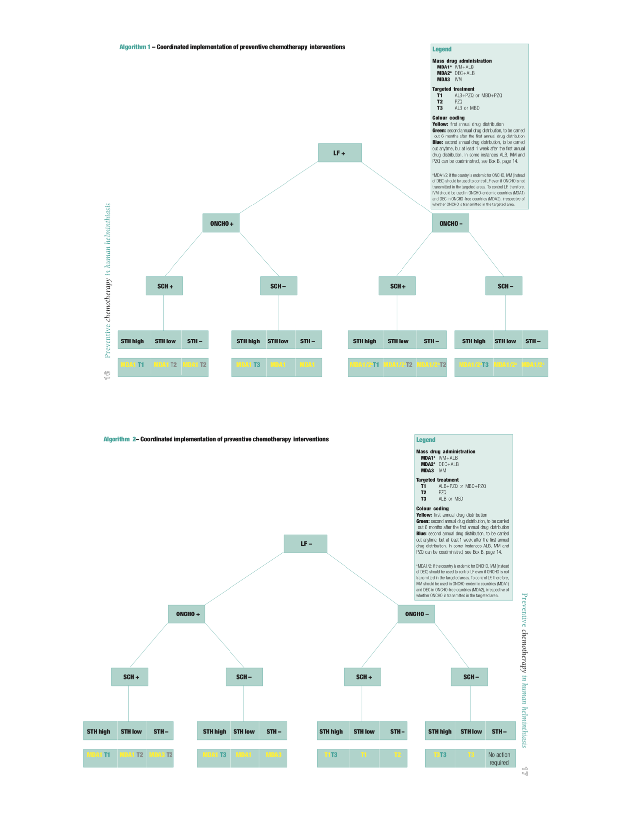
Package | WHO Code | LF | Oncho | STH | SCH | Trachoma | Notes
IVM+ALB | MDA1 | X | X | X
DEC+ALB | MDA2 | X |  | X
IVM+DEC+ALB |  | X | X | X |  |  | No historic JRF selection
IVM | MDA3 |  | X
ALB | T3 |  |  | X |  |  | Used for LF 2x/year if loa loa coendemic
MBD | T3 |  |  | X
PZQ | T2 |  |  |  | X
PZQ+MBD | T1 |  |  | X | X
PZQ+ALB | T1 |  |  | X | X
IVM+ALB+PZQ |  | X | X | X | X |  | No historic JRF selection
TEO |  |  |  |  |  | X
AZ Drops |  |  |  |  |  | X
AZ/Zithro POS |  |  |  |  |  | X
AZ/Zithro Tabs |  |  |  |  |  | X

